Waiting page
Module Code | Waiting Page
Check Requirement
Tester | Dinh Tran Anh Truc
Status | Pass | Fail |  | Not Run | N/A |  | Number of test case
Round test 1 | 2 | 1 |  | 0 | 0 |  | 3
Round test 2 | 2 | 1 |  | 0 | 0 |  | 3

Test Case ID | Test case Description | Pre-condition | Step | Excepted Output | Actual Output | Result |  |  | Result |  |  | Note
 |  |  |  |  |  | Round test 1 |  |  | Round test 2
 |  |  |  |  |  | Status | Test Date | Tester | Status | Test Date | Tester

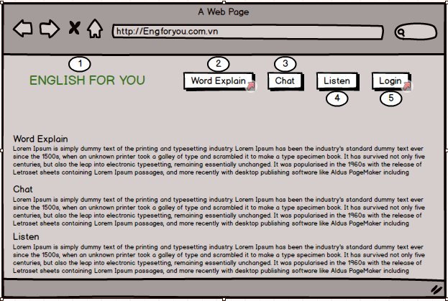
TC_01 | [Play]Button | Connect to internet and access E4U website |  |  |  | Pass | 20-Oct-2018 | Dinh Tran Anh Truc | Pass | 15-Oct-2018 | Dinh Tran Anh Truc
TC_02 | [Rule of the game]Text | Connect to internet and access E4U website |  |  |  | Pass | 20-Oct-2018 | Dinh Tran Anh Truc | Pass | 15-Oct-2018 | Dinh Tran Anh Truc
Functional Testing
TC_01 | Connect with other Plaer | Connect to internet and access E4U website | 1. login Success 2.Click [word explain]button 3.Click [Play]button | Display Time of connect | Error | Fail | 20-Oct-2018 | Dinh Tran Anh Truc | Fail | 15-Oct-2018 | Dinh Tran Anh Truc

Choose word to explain
Module Code | Choose word to explain
Check Requirement
Tester | Doan Nu Thuc Oanh
Status | Pass | Fail |  | Not Run | N/A |  | Number of test case
Round test 1 | 0 | 4 |  | 0 | 0 |  | 4
Round test 2 | 0 | 4 |  | 0 | 0 |  | 4

Test Case ID | Test case Description | Pre-condition | Step | Excepted Output | Actual Output | Result |  |  | Result |  |  | Note
 |  |  |  |  |  | Round test 1 |  |  | Round test 2
 |  |  |  |  |  | Status | Test Date | Tester | Status | Test Date | Tester

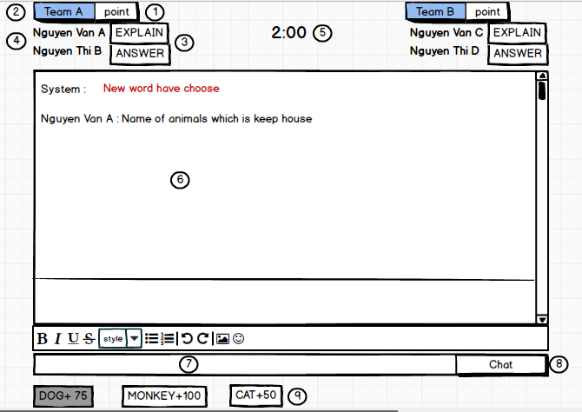
TC_01 | [Keyword]Button |  |  | Alignment=left,top [Point] Label | Alignment=left,top [Point] Label | Faill | 28-Oct-2018 | Doan Nu Thuc Oanh | Faill | 30-Oct-2018 | Doan Nu Thuc Oanh
 |  |  |  | type="label" | type="label"
Functional Testing
TC_01 | select keywords with Explainer | Connect to internet and access E4U website | 1. Click to [Keyword]button | Display keyword and type of key word | Can not Display keyword | Faill | 28-Oct-2018 | Doan Nu Thuc Oanh | Faill | 01-Nov-2018 | Doan Nu Thuc Oanh
TC_02 | select keywords with respondent | Connect to internet and access E4U website |  | Display suggest of keyword | Can not Display keyword | Faill | 28-Oct-2018 | Doan Nu Thuc Oanh | Faill | 01-Nov-2018 | Doan Nu Thuc Oanh
TC_03 | Can't select keyword again | Connect to internet and access E4U website |  | The keywords has been choose will blackened | Can not Display keyword | Faill | 28-Oct-2018 | Doan Nu Thuc Oanh | Faill | 01-Nov-2018 | Doan Nu Thuc Oanh

